E1
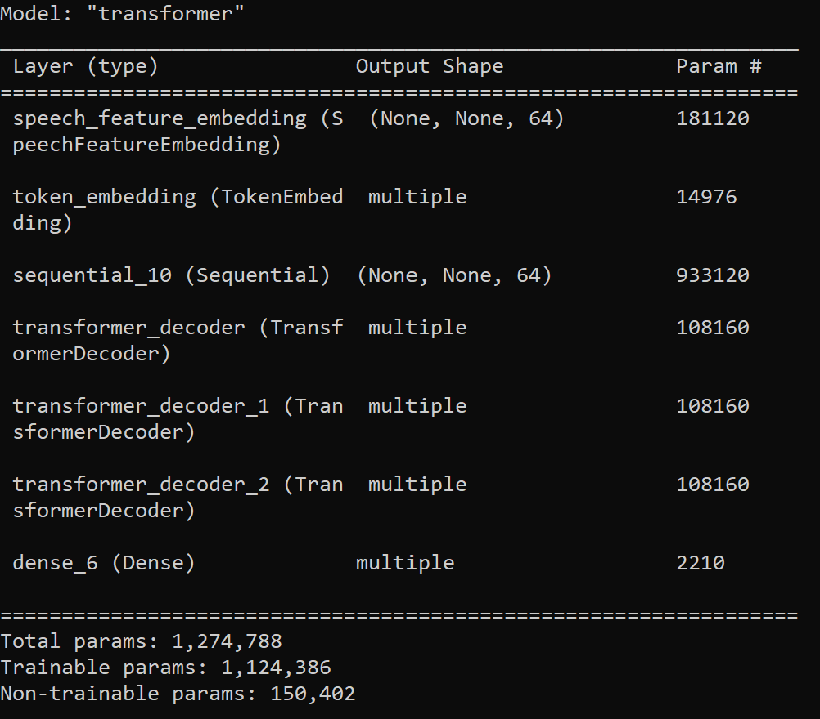
Model Name: LJ200_UAControl_FreezeE1.h5 | Base model: LJ Speech 200 epochs, WER 93% | Epoch | WER | Epoch | Accuracy

model.summary before

model.summary after

